Assignment-8
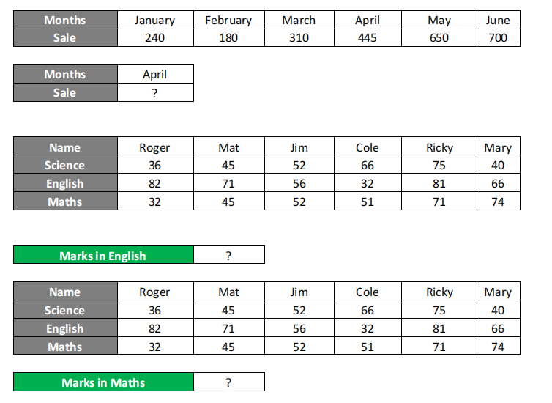
MONTHS | JANUARY | FEBRUARY | MARCH | APRIL | MAY | JUNE
SALE | 240 | 180 | 310 | 445 | 650 | 700

FIND = APRIL SALES |  | 445

NAME | ROGER | MAT | JIM | COLE | RICKY | MARY
SCIENCE | 36 | 45 | 52 | 66 | 75 | 40
ENGLISH | 82 | 71 | 56 | 32 | 81 | 66
MATHS | 32 | 45 | 52 | 51 | 71 | 74

FIND = MARKS IN ENGLISH |  |  |  | #N/A

NAME | ROGER | MAT | JIM | COLE | RICKY | MARY
SCIENCE | 36 | 45 | 52 | 66 | 75 | 40
ENGLISH | 82 | 71 | 56 | 32 | 81 | 66
MATHS | 32 | 45 | 52 | 51 | 71 | 74

MARKS IN MATHS |  | ?
USE OF HLOOKUP

